Sheet1
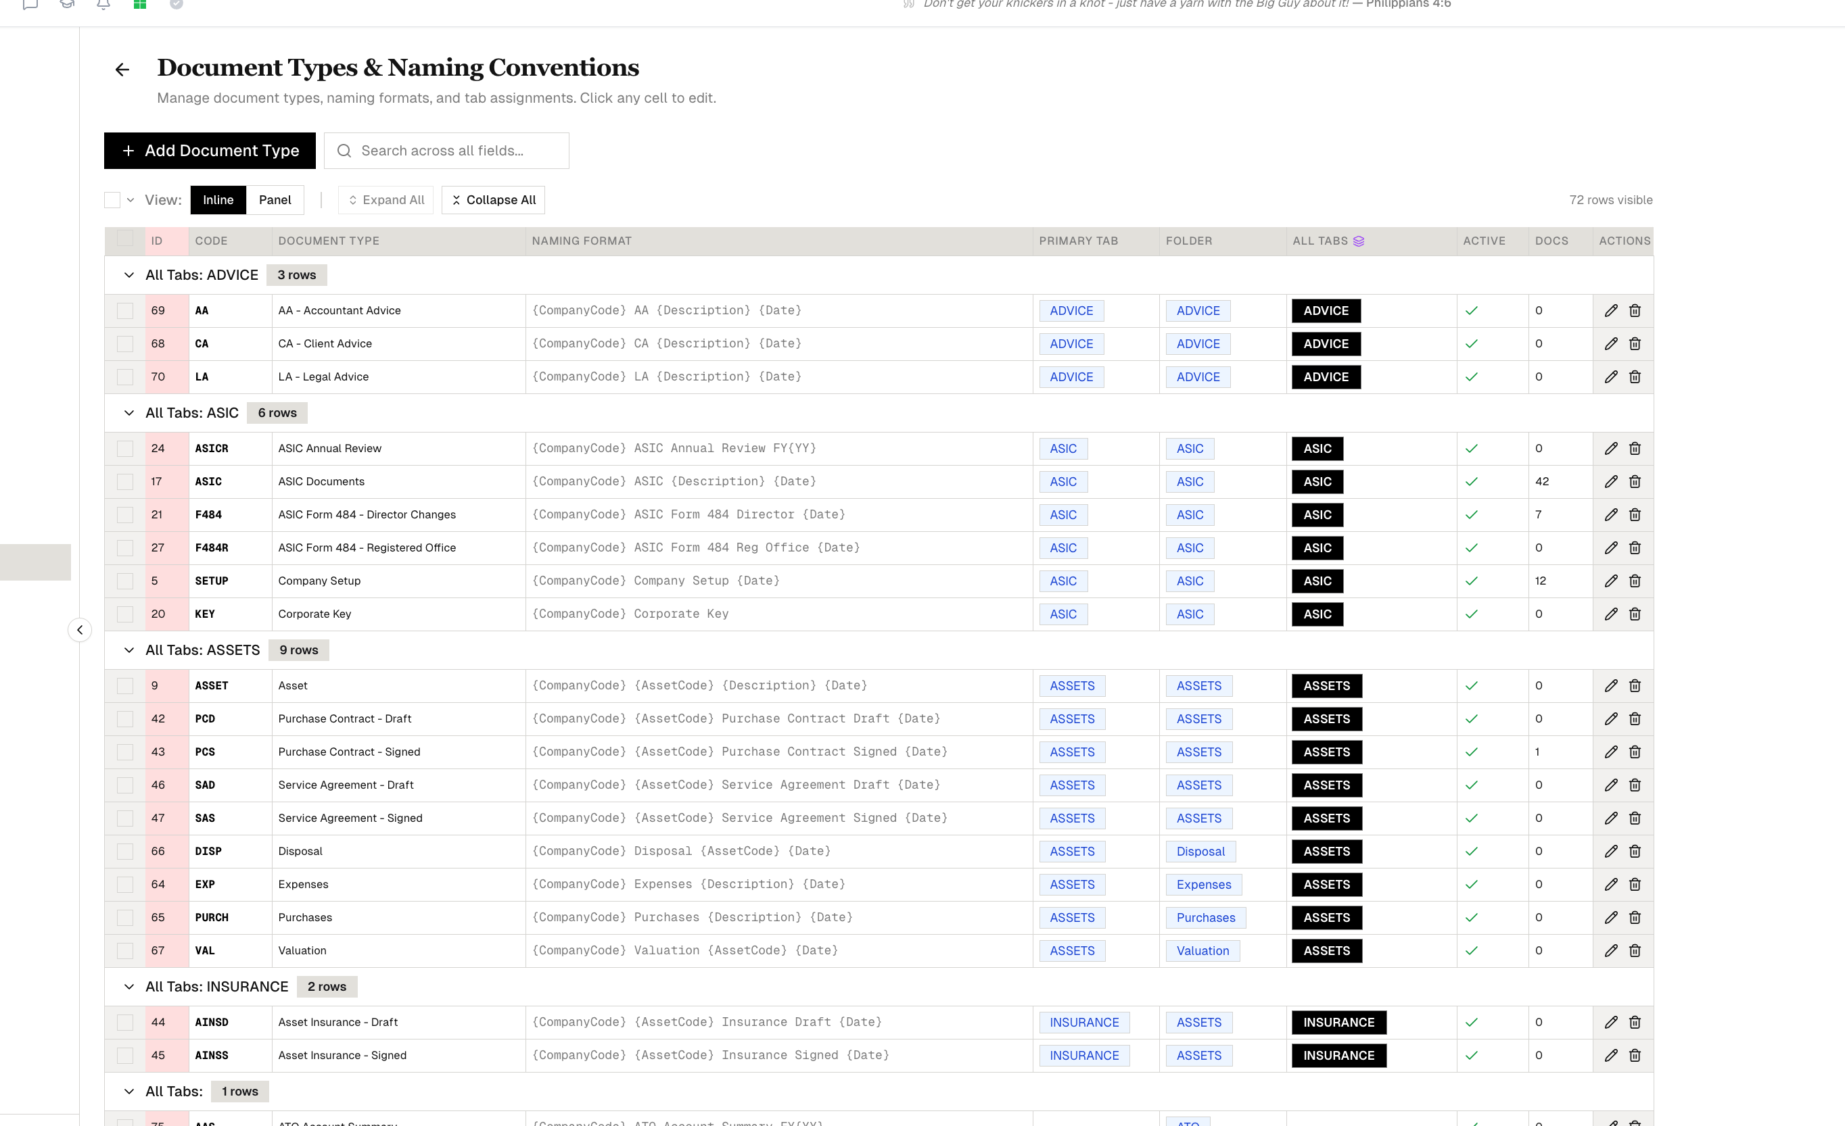

1800000 | 3600

1000000 | 0.002 | 2000

Sheet2
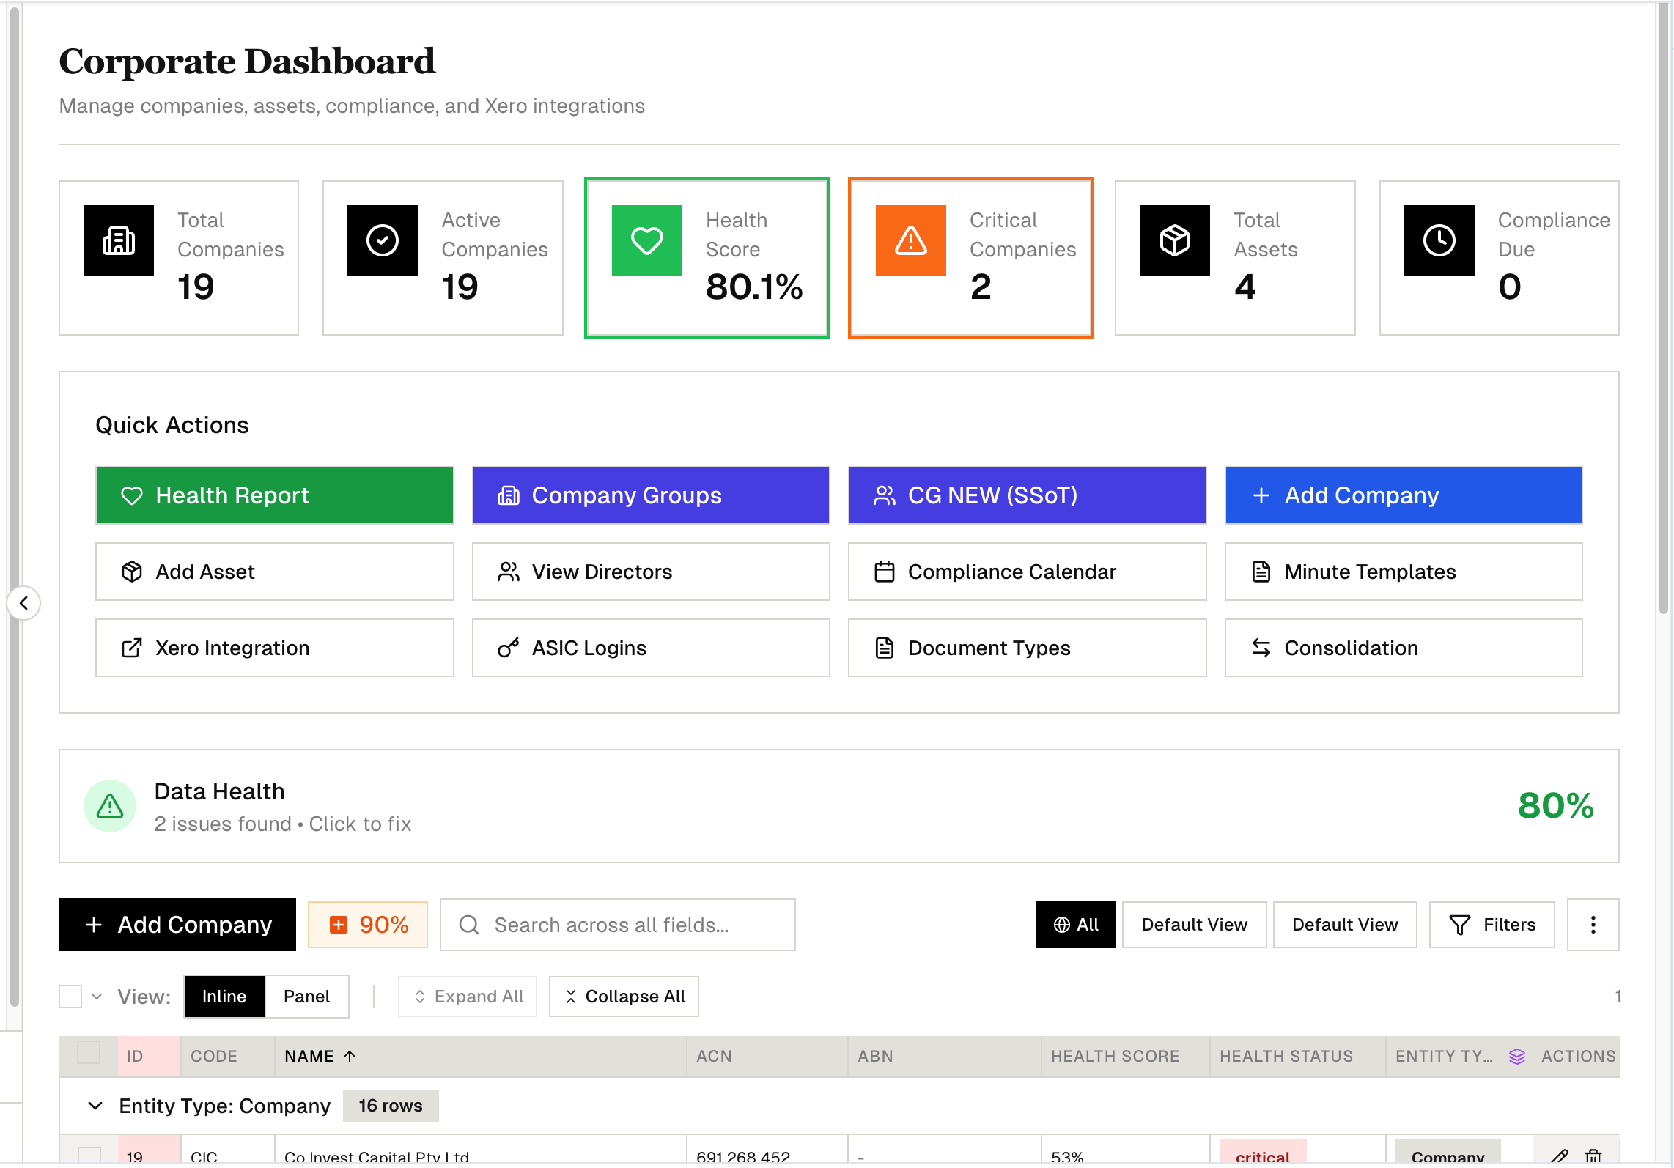
| NUM | FOLDER NAME | DOC TYPES | DESCRIPTION
|
|-----|------------------|-------------------------------|--------------
---------------------|
| 01 | Revit | RVT, RFA, DWG, DXF | Revit
projects, families, AutoCAD |
| 02 | Land Info | LAND | Survey plans,
land titles |
| 03 | Contract | JCON, JVAR | Building
contracts, variations |
| 04 | Certification | CERT, HEBS, RELAX, FINAL CERT | All certs,
HEBS, relaxations |
| 05 | Estimation | EST | Estimates,
quotes, tenders |
| 06 | Colour Selection | COLOR | Colour
schedules |
| 07 | Photos | PHOTO, CLIENT PHOTO | All photos
(site & client) |
| 08 | Consultants | CONSUL | Engineer
reports |
| 09 | Site | SITE | Site
establishment docs |
| 10 | Sales | SALES | Sales
contracts |
| 11 | Precon | PRECON |
Pre-construction docs |
| 12 | Client | CLIENT | Client
correspondence |
| 13 | Plan | PLAN | Architectural
plans |
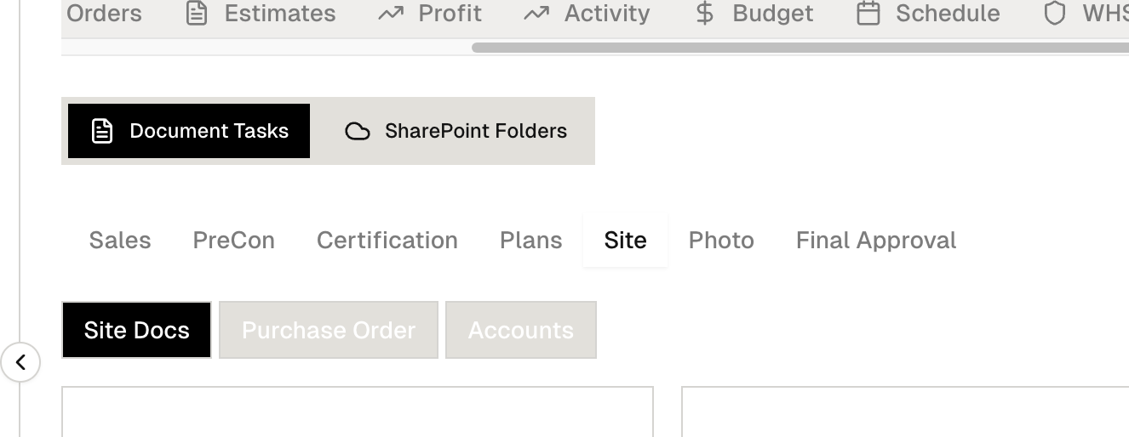
14

